Sheet1
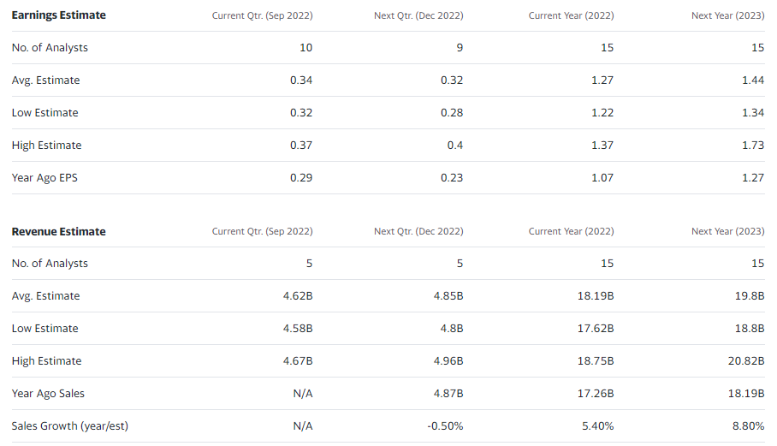
$ in millions
 |  | Actuals |  |  |  |  | Projections
 |  | 2017 | 2018 | 2019 | 2020 | 2021 | 2022 | 2023 | 2024 | 2025 | 2026
 | Income Statement

 | Operating Revenues
 | Service | 11,332.0 | 11,882.0 | 12,400.0 | 13,277.0 | 14,535.0 | 15,518.8 | 16,538.3 | 17,624.8 | 18,782.7 | 20,016.7
 | Equipment | 1,973.0 | 2,213.0 | 2,189.0 | 2,064.0 | 2,303.0 | 2,639.0 | 2,812.4 | 2,997.1 | 3,194.0 | 3,403.9
 | Other operating income | 103.0 | 273.0 | 69.0 | 122.0 | 420.0 | 234.0 | 249.4 | 265.8 | 283.2 | 301.8
 | Total Revenue | 13,408.0 | 14,368.0 | 14,658.0 | 15,463.0 | 17,258.0 | 18,391.8 | 19,600.1 | 20,887.7 | 22,260.0 | 23,722.4

 | Operating Expenses
 | Goods and services purchased | (5,904.0) | (6,368.0) | (6,070.0) | (6,268.0) | (6,699.0) | (7,865.8) | (8,451.7) | (9,081.3) | (9,757.8) | (10,484.7)
 | Employee benefits expense | (2,594.0) | (2,896.0) | (3,034.0) | (3,701.0) | (4,269.0) | (4,084.9) | (4,389.2) | (4,716.2) | (5,067.5) | (5,445.0)
 | Depreciation | (1,617.0) | (1,669.0) | (1,929.0) | (2,107.0) | (2,126.0) | (2,358.2) | (2,533.9) | (2,722.7) | (2,925.5) | (3,143.4)
 | Amortization of intangible assets | (552.0) | (598.0) | (648.0) | (905.0) | (1,090.0) | (931.7) | (1,001.1) | (1,075.6) | (1,155.8) | (1,241.8)
 | Total Operating Expenses | (10,667.0) | (11,531.0) | (11,681.0) | (12,981.0) | (14,184.0) | (15,240.6) | (16,375.9) | (17,595.8) | (18,906.6) | (20,315.0)

 | Operating Income | 2,741.0 | 2,837.0 | 2,977.0 | 2,482.0 | 3,074.0 | 3,151.2 | 3,224.1 | 3,291.9 | 3,353.4 | 3,407.4
 | Financing costs | (573.0) | (661.0) | (733.0) | (771.0) | (796.0) | (848.3) | (904.0) | (963.4) | (1,026.7) | (1,094.2)
 | Income Before Income Taxes | 2,168.0 | 2,176.0 | 2,244.0 | 1,711.0 | 2,278.0 | 2,302.9 | 2,320.1 | 2,328.5 | 2,326.7 | 2,313.2
 | Income taxes | (590.0) | (552.0) | (468.0) | (451.0) | (580.0) | (576.9) | (581.2) | (583.3) | (582.9) | (579.5)
 | Net Income | 1,578.0 | 1,624.0 | 1,776.0 | 1,260.0 | 1,698.0 | 1,726.0 | 1,738.9 | 1,745.2 | 1,743.8 | 1,733.7

 | Margins / Growth Rates
 | Revenue Growth Rate |  | 7.2% | 2.0% | 5.5% | 11.6% | 6.6% | 6.6% | 6.6% | 6.6% | 6.6%
 | Service as % of Revenue | 84.5% | 82.7% | 84.6% | 85.9% | 84.2% | 84.4% | 84.4% | 84.4% | 84.4% | 84.4%
 | Equipment as % of Revenue | 14.7% | 15.4% | 14.9% | 13.3% | 13.3% | 14.3% | 14.3% | 14.3% | 14.3% | 14.3%
 | Other operating income as % of Revenue | 0.8% | 1.9% | 0.5% | 0.8% | 2.4% | 1.3% | 1.3% | 1.3% | 1.3% | 1.3%

 | Operating Expense Growth Rate |  | 8.1% | 1.3% | 11.1% | 9.3% | 7.4% | 7.4% | 7.4% | 7.4% | 7.4%
 | Goods and services purchased as % of operating expense | 55.3% | 55.2% | 52.0% | 48.3% | 47.2% | 51.6% | 51.6% | 51.6% | 51.6% | 51.6%
 | Employee benefits expense as % of operating expense | 24.3% | 25.1% | 26.0% | 28.5% | 30.1% | 26.8% | 26.8% | 26.8% | 26.8% | 26.8%
 | Depreciation as % of operating expense | 15.2% | 14.5% | 16.5% | 16.2% | 15.0% | 15.5% | 15.5% | 15.5% | 15.5% | 15.5%
 | Amortization of intangible assets as % of operating expense | 5.2% | 5.2% | 5.5% | 7.0% | 7.7% | 6.1% | 6.1% | 6.1% | 6.1% | 6.1%

 | Tax Rate | 27.2% | 25.4% | 20.9% | 26.4% | 25.5% | 25.1% | 25.1% | 25.1% | 25.1% | 25.1%

 | Findings
 | (in millions)
 | Projected Revenue FY2022 | 18,391.8
 | Projected Earnings FY2022 | 1,726.0
 | Shares Outstanding | 1,380.0

 | Earnings Estimate | $1.25

 | Both earnings and revenue estimate are within the low and high range of the 15 analysts covering Telus as per Yahoo Finance

